Sheet1
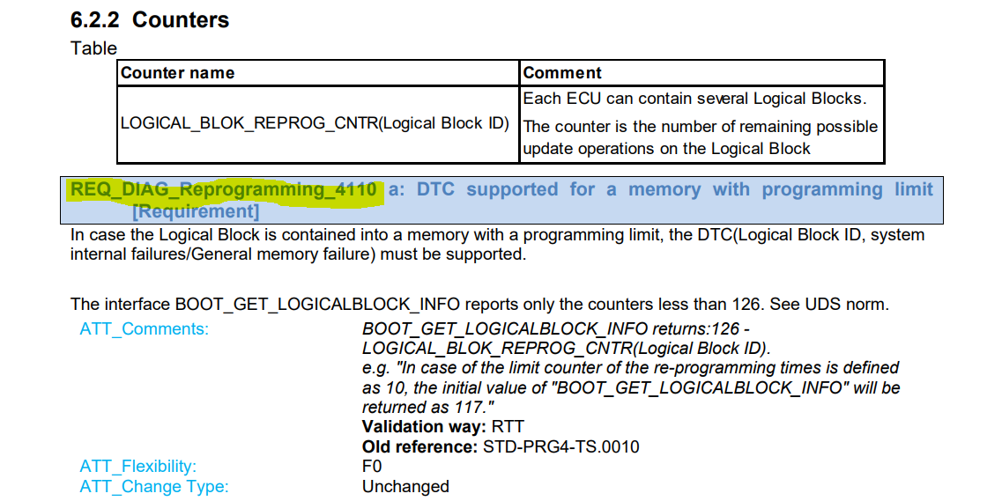
DST / RTT / Diag hardening | Test | Observed behavior | Rating | Delta Feedback | Diag feedback | Delta Feedback 28.08.2023 | Diag feedback 30.08.2023

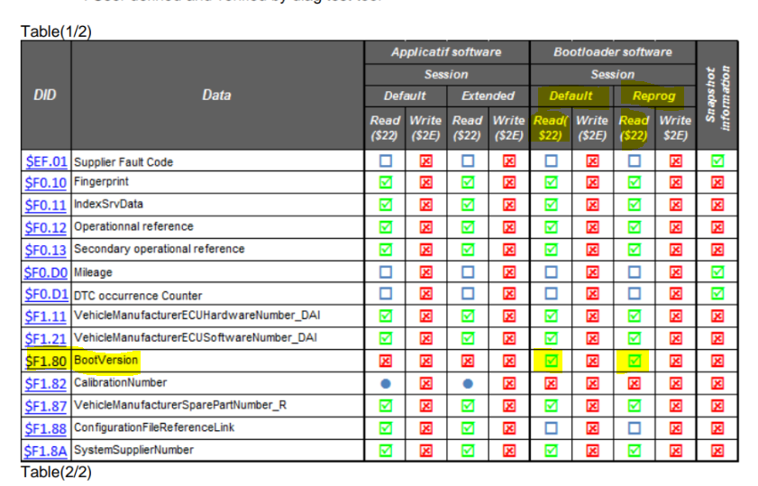
Embedded data | Embedded data | BOOT version ($F180) is not implemented in default session. | K2 | behavior correct according to the DID specification list; DID $F180 is implemented only in Reprog session accordingly to the file | According to the DRC14 the F180 has to be readable in default session and reprog session of boot. | correct. But in order to reach the boot session (default or reprog) you have to send 1003. There the F180 is readable. In the applicatif software ( session 1001), the DID is not readable as we can see from your tables as well | Test will be performed on Delta side and with a auto ID for Boot version and a confirmation that the only diff between boots is the key implementation
DST | UDS_TST_0026 UDS_TST_0020 UDS_TST_0010 | The answer for these reads is POSITVE instead of Nack_31. | K2 | DIDs requested in the DID Specification List: F0D2 = did AbsoluteTimeSince1rstIgnition_HV DAF4 = did Clear Reset Information | These range are used only for specific diag needs. Did you get the agreement of diag team? | This project is CO from 5DH-step1S. At the time we had the agreement (actually it was a Renault Requirement) to use the 2 DIDs. There was no additional request or requirement since then, from Renault to delete or change these 2 DIDs. | Waiting the feedback from Damien
DST | UDS_TST_0130 | The answer for these services is POSITVE and NACK_13 instead of Nack_11. | K3 | The POSITIVE answer is for Extended session, where, based on DH hardening, this services ($34, $36, $37) have to be available | These services $34, $36, $37 has to be used only in reprograming session from boot. The meaning of the tests is to check that these services are fobbid in all session of applicative software. That means the ECU should answer with NRC 11 or NRC 7F. No exception, no DH requirments for this. | I rechecked the test performed on our side and the looks seems PASS. Please check attachment. Can you redo the test? | Could you confirm the test was done on the SW23.15.00 and boot 23.19.00? Could you send a proof Test performed in SW 23.16.98 intermal release, the only diff is the key implementation (dev key) and boot 23.19.01 waiting confirmation from supplier that the only diff is the key
RTT | PRG5_064 | WriteDataByIdentifier (2EF187) on error, expected negative reply [7F2E31]. The method or operation is not implemented. Response [7F2E33] Contains Nack_33 (security access denied). | K2 | Writing DIDs are protected by SA accordngly to Vector implementation, that's why the received answer is Nack_33. You need to unlock the SA before protected writing services | The service $2E must be protected by SA in Reprog session and extended session. The meaning of this test is to try to use $2E in default session of boot and the expected NRC is $7F or $31. In Default session(boot and app) we don’t need SA for $2E because we never use writing in default session. That means the NRC 33 doesn't make sens in this case. | I tried to do the test manually (check that the unit is in Default sessionm -1001- then send DID 2EF18730303030303030303030 ) and the unit sends the correct response. Please see attachment (blf and screenshot). Is it possible that there is something wrong with the script? Furthermore, this is Vector implementation regarding priority of NRCs. it’s not possible for Delta to change this. | The test to be redone when we are in default session in boot wihout any applicatife The results test received are done in applicatife, the meaning of the test is to try a writing request of F180 in default session from boot. Test will be performed on Delta side and with a auto ID for Boot version and a confirmation that the only diff between boots is the key implementation
RTT | PRG5_063 | The response for this read 22FD00 is negative with NACK_31 (Request Out Of Range). | K3 | Hash read is not implemented in default session. | According to DRC13 the FD00 should answer positivily at all reading request from boot and app. It is a mandatory requirement with F0 | to be checked internally | Waiting the feedback from Delta if possible to do a correction if not a derogation to be considered @Gabriel
RTT | PRG5_021 | ReportDTCFaultDetectionCounter on error, counter before = counter after FD00. | K3 | FBL is shared with AC01 OBC which is FOTA compliant so the implementation of the counter is 1000 | Could you please confirm that this logical block FD00 doesn't contained into a memory with a programming limit? If yes, then requirement REQ_DIAG_Reprog_4110 from DRC18 has to be respected. F0 If the counter is 1000 then during the tests should deacrease | There is a counter implemented in the Sw and the value of the counter is 1000. The counter is decreased after each time you reprogram the unit. The value of the counter is not correctly seen by DDT2000 until it reaches 126 due to the fact that it checks only some bits. Implementation is shared with AC01_OBC | Waiting the feedback from Damien DCDC is not FOTA
RTT | PRG5_019 | ReportDTCFaultDetectionCounter on error, counter before = counter after, expected new counter 126 = old counter 126 -1. | K2 |  | Could you please confirm that this logical block FD00 doesn't contained into a memory with a programming limit? If yes, then requirement REQ_DIAG_Reprog_4110 from DRC18 has to be respected. F0 If the counter is 1000 then during the tests should deacrease. |  | Waiting the feedback from Damien DCDC is not FOTA
Diag hardening | BOOT_PVAL_2731_2_8 | Failed to get security Key with unlocking server. Unlocking server error code 11: VESPA ERROR. | K2 | Seems like a problem accessing the Server or a testing issue, rather than a DCDC issue. The access to server is runing fine 8 times but failes at the 9th time. And the purpose of this is to send bad key so you don't actually need the good key. Furthermore, the next tests are doing the same thing and are running fine. More of a setup/DDT2000 issue. | test to be redone |  | test to be redone by @Gabriel and @Onur
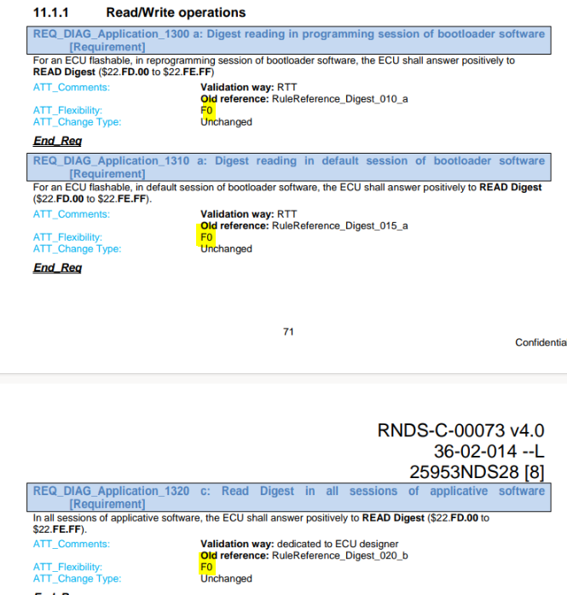
Diag hardening | BOOT_PVAL_2731_2_9 | RequestSeed 2701 on error, expected negative response 7F2737 instead of positive response. | K2 | The NRC implementation time is 10 min instead of15min due to previous original SW (there is not enough space for the variable to reach 15 min). In your test, after 10 minutes, the expectation is to still receive a negative answer, but due to our implementatino, after 10 minutes, the unit responds postive. | Need to check with cyber expert @Ivan STUDNIA / @Elvis ABOKI Meanwhile, can supplier adjust the timing that the ecu cannot respond positive anymore after 10min? | No, due to the size of memory and variable, we cannot increase the variable to reach 15 min. Updating this is equal to a new FBL development from timing point of view. The project shares this limitation with AC01_OBC where it was accepted | Need to check with cyber expert @Ivan STUDNIA / @Elvis ABOKI The same issue with OBC AC1 and the discution is on going on diag side
Diag hardening | APP_PVAL_2731_2_8 | RequestSeed 2701 on error, expected negative response 7F2737 instead of positive response. | K2 |  | Need to check with cyber expert @Ivan STUDNIA / @Elvis ABOKI Meanwhile, can supplier adjust the timing that the ecu cannot respond positive anymore after 10min? |  | Need to check with cyber expert @Ivan STUDNIA / @Elvis ABOKI The same issue with OBC AC1 and the discution is on going on diag side

